Nursery - F1
RE Objectives - Assessment without Levels
First Name
Surname
Autumn - Main Assessment - TEACHER ASSESSEMENT
Spring - Main Assessment - TEACHER ASSESSEMENT
Summer - Main Assessment - TEACHER ASSESSEMENT

Average Depth |  |  | #DIV/0! | #DIV/0! | #DIV/0! | #DIV/0! | #DIV/0! | #DIV/0! | #DIV/0! | #DIV/0! | #DIV/0! | #DIV/0! | #DIV/0! | #DIV/0! | #DIV/0! | #DIV/0! | #DIV/0! | #DIV/0! | #DIV/0! | #DIV/0! | #DIV/0! | #DIV/0! | #DIV/0! | #DIV/0! | #DIV/0! | #DIV/0! | #DIV/0! | #DIV/0! | #DIV/0! | #DIV/0! | #DIV/0! | #DIV/0! | #DIV/0! | #DIV/0! | #DIV/0! | #DIV/0! | #DIV/0! | #DIV/0! | #DIV/0! | #DIV/0! | #DIV/0! | #DIV/0! | #DIV/0! | #DIV/0! | #DIV/0! | #DIV/0! | #DIV/0! | #DIV/0! | #DIV/0! | #DIV/0! | #DIV/0! | #DIV/0!
% Secure to Date |  |  | 0 | 0 | 0 | 0 | 0 | 0 | 0 | 0 | 0 | 0 | 0 | 0 | 0 | 0 | 0 | 0 | 0 | 0 | 0 | 0 | 0 | 0 | 0 | 0 | 0 | 0 | 0 | 0 | 0 | 0 | 0 | 0 | 0 | 0 | 0 | 0 | 0 | 0 | 0 | 0 | 0 | 0 | 0 | 0 | 0 | 0 | 0 | 0 | 0 | 0
Nursery | NOR - Class size | 30
Knowledge & Understanding |  | Overview
Listen to religious stories and respond to what they hear with relevant comment. |  | #DIV/0!
Sing songs; make music and dance to express religious stories. |  | #DIV/0!
Use a variety of materials, tools and techniques, experimenting with colour, design, texture, form and function to express religious stories. |  | #DIV/0!
Represent their own ideas, thoughts and feelings about religious stories through design and technology, art, music, dance and role play. |  | #DIV/0!
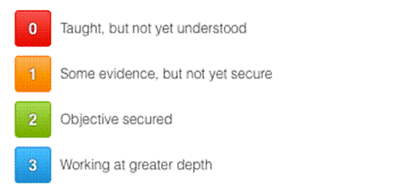
 |  |  |  |  |  | Autumn | Spring | Summer
 |  |  | % of children below |  |  | 0.0% | 0.0% | 0.0%
 |  |  | % of children on track |  |  | 0.0% | 0.0% | 0.0%
 |  |  | % of children above |  |  | 0.0% | 0.0% | 0.0%

